Cable Type code explanation
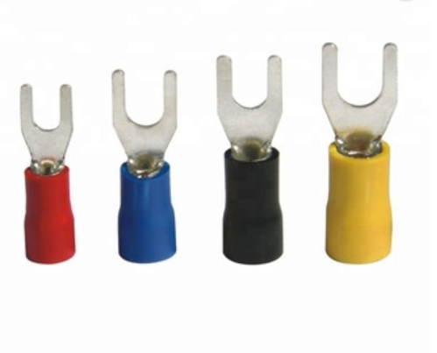
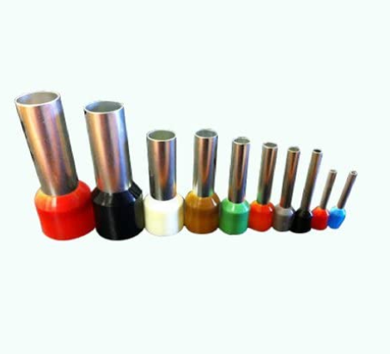
ORDERING CODE EXPLANATION
POWER CABLES
 |  | S6-L | - | M | 0 | 0 | 7 | - | 3.0 | - | { } | { } |  |  |  | S6E-L | - | M | 0 | 0 | 7 | - | 3.0 | - | { } | { }
 |  | 1 |  | 2 | 3 | 4 | 5 |  | 6 |  | 7 | 8 |  |  |  | 1 |  | 2 | 3 | 4 | 5 |  | 6 |  | 7 | 8

 | 1 | Servo series cable |  |  |  |  |  |  |  |  |  |  |  |  | 1 | Servo series cable made in Europe
 | 2 | Power cable, M: without brake; B: with brake |  |  |  |  |  |  |  |  |  |  |  |  | 2 | Power cable, M: without brake; B: with brake
 | 3 | Connector type on servodrive side |  |  |  |  |  |  |  |  |  |  |  |  | 3 | Connector type on servodrive side
 |  | 0: fork type lug; 1: bootlace ferrule |  |  |  |  |  |  |  |  |  |  |  |  |  | 0: fork type lug; 1: bootlace ferrule
 | 4 | Cable size, |  |  |  |  |  |  |  |  |  |  |  |  | 4 | Cable size,
 |  | 0: 1.6A-7.6A (0.5mm², AWG20 / 1mm², AWG18) |  |  |  |  |  |  |  |  |  |  |  |  |  | 0: 1,6A-7,6A (0.35mm², AWG22 / 0.5mm², AWG20 / 1mm², AWG18)
 |  | 1: 1.6A-16A (1.5mm², AWG16) |  |  |  |  |  |  |  |  |  |  |  |  |  | 1: 1.6A-16A (1.5mm², AWG16)
 |  | 2: 24A-30A (4mm², AWG12) |  |  |  |  |  |  |  |  |  |  |  |  |  | 2: 24A-30A (4mm², AWG12)
 |  | 3: 31A-39A (6mm², AWG10) |  |  |  |  |  |  |  |  |  |  |  |  |  | 3: 31A-39A (6mm², AWG10)
 |  | 4: 40A-54A (10mm², AWG8) |  |  |  |  |  |  |  |  |  |  |  |  |  | 4: 40A-54A (10mm², AWG8) |  |  |  |  |  |  |  |  |  |  |  |  | Fork type lug | Bootlace ferrule
 |  | 5: 55A-73A (16mm², AWG6) |  |  |  |  |  |  |  |  |  |  |  |  |  | 5: 55A-73A (16mm², AWG6)
 | 5 | Connector type on servomotor side |  |  |  |  |  |  |  |  |  |  |  |  | 5 | Connector type on servomotor side
 |  | 0: AMP type |  |  |  |  |  |  |  |  |  |  |  |  |  | 0: AMP type
 |  | 1: 9 pin Military connector |  |  |  |  |  |  |  |  |  |  |  |  |  | 1: 9 pin Military connector
 |  | 2: 6 pin Military connector |  |  |  |  |  |  |  |  |  |  |  |  |  | 2: 6 pin Military connector
 |  | 7: SDC-07T connector (front outlet) |  |  |  |  |  |  |  |  |  |  |  |  |  | 7: SDC-07T connector (front outlet)
 |  | 8: SDC-07T connector (back outlet) |  |  |  |  |  |  |  |  |  |  |  |  |  | 8: SDC-07T connector (back outlet)
 |  | 9: M23 connector |  |  |  |  |  |  |  |  |  |  |  |  |  | 9: M23 connector
 |  | B: no connector, bootlace ferrules |  |  |  |  |  |  |  |  |  |  |  |  |  | B: no connector, bootlace ferrules
 | 6 | Cable length in meters |  |  |  |  |  |  |  |  |  |  |  |  | 6 | Cable length in meters
 | 7 | Type of cable, Blank: static; T: PVC flexible |  |  |  |  |  |  |  |  |  |  |  |  | 7 | Type of cable, Blank: static; T: PVC flexible; U: PUR flexible
 | 8 | Type of cable, Blank: non screened; S: screened |  |  |  |  |  |  |  |  |  |  |  |  | 8 | Type of cable, Blank: non screened; S: screened

ENCODER CABLES

 |  | S6-L | - | P | 0 | 1 | 4 | - | 3.0 | - | { } | { } | - | PTC |  | S6E-L | - | P | 0 | 1 | 4 | - | 3.0 | - | { } | { } | - | PTC
 |  | 1 |  | 2 | 3 | 4 | 5 |  | 6 |  | 7 | 8 |  | 9 |  | 1 |  | 2 | 3 | 4 | 5 |  | 6 |  | 7 | 8 |  | 9

 | 1 | Servo series cable |  |  |  |  |  |  |  |  |  |  |  |  | 1 | Servo series cable made in Europe
 | 2 | P: encoder cable |  |  |  |  |  |  |  |  |  |  |  |  | 2 | P: encoder cable
 | 3 | Connector type on servodrive side |  |  |  |  |  |  |  |  |  |  |  |  | 3 | Connector type on servodrive side
 |  | 0: DB9 type connector (IS620/IS810) |  |  |  |  |  |  |  |  |  |  |  |  |  | 0: DB9 type connector (IS620/IS810)
 |  | 1: Firewire type connector (SV820/SV660) |  |  |  |  |  |  |  |  |  |  |  |  |  | 1: Firewire type connector (SV820/SV660)
 | 4 | Encoder type |  |  |  |  |  |  |  |  |  |  |  |  | 4 | Encoder type
 |  | 0: Incremental (quadrature) |  |  |  |  |  |  |  |  |  |  |  |  |  | 0: Incremental (quadrature)
 |  | 1: absolute single turn (U3) |  |  |  |  |  |  |  |  |  |  |  |  |  | 1: absolute single turn (U3)
 |  | 2: absolute multi turn (A3) |  |  |  |  |  |  |  |  |  |  |  |  |  | 2: absolute multi turn (A3)
 | 5 | Connector type on servomotor side |  |  |  |  |  |  |  |  |  |  |  |  | 5 | Connector type on servomotor side
 |  | 0: AMP connector (ISMH1/H4, MS1H1/H4-S motor) |  |  |  |  |  |  |  |  |  |  |  |  |  | 0: AMP connector (ISMH1/H4, MS1H1/H4-S motor)
 |  | 1: 17pin Military connector |  |  |  |  |  |  |  |  |  |  |  |  |  | 1: 17pin Military connector
 |  | 4: SDC-07T connector (front outlet) |  |  |  |  |  |  |  |  |  |  |  |  |  | 4: SDC-07T connector (front outlet)
 |  | 5: SDC-07T connector (back outlet) |  |  |  |  |  |  |  |  |  |  |  |  |  | 5: SDC-07T connector (back outlet)
 |  | 9: M23 connector |  |  |  |  |  |  |  |  |  |  |  |  |  | 9: M23 connector
 | 6 | Cable length in meters |  |  |  |  |  |  |  |  |  |  |  |  | 6 | Cable length in meters
 | 7 | Type of cable (screened), Blank: static; T: PVC flexible |  |  |  |  |  |  |  |  |  |  |  |  | 7 | Type of cable (screened), Blank: static; T: PVC flexible;
 |  |  |  |  |  |  |  |  |  |  |  |  |  |  |  | U: PUR flexible
 | 8 | Type of cable (screened), Blank: non-oil resistant; |  |  |  |  |  |  |  |  |  |  |  |  | 8 | Type of cable (screened), Blank: non-oil resistant;
 |  | O: oil resistant |  |  |  |  |  |  |  |  |  |  |  |  |  | O: oil resistant
 | 9 | PTC connection wires, Blank: Not available; |  |  |  |  |  |  |  |  |  |  |  |  | 9 | PTC connection wires, Blank: Not available;
 |  | PTC: Available |  |  |  |  |  |  |  |  |  |  |  |  |  | PTC: Available

